Summary of Information
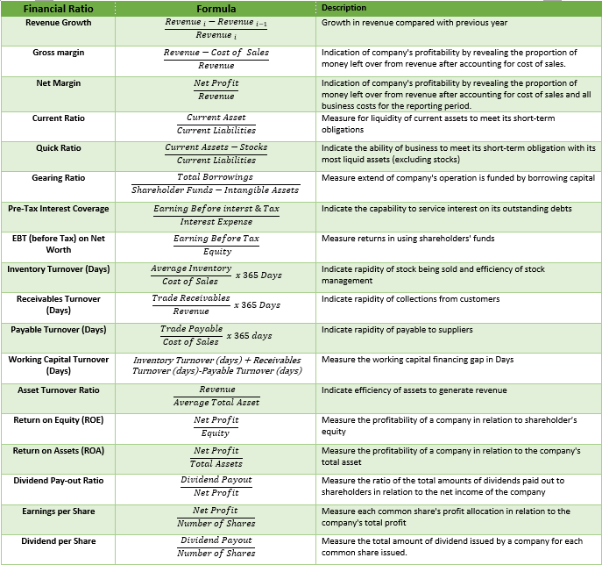
 |  |  |  | Full year | 5 months | 150 | No of days
 | Audited / Mgmt Account | Audited | Audited | Mgmt Acc | Mgmt Acc | Annualised |  |  | Audited | Audited | Mgmt Acc | Mgmt Acc | Annualised |  |  |  | Yes
 | Profit & Loss | 30/04/2023 | 30/04/2024 | 30/04/2025 | 30/09/2025 | 30/09/2025 |  | Financial Ratio | 30/04/2023 | 30/04/2024 | 30/04/2025 | 30/09/2025 | 30/09/2025 |  |  |  | No
 | Profit & Loss (REF) | Audited-30042023 | Audited-30042024 | Mgmt Acc-30042025 | Mgmt Acc-30092025 | Annualised-30092025 |  | Financial Ratio (REF) | Audited-30042023 | Audited-30042024 | Mgmt Acc-30042025 | Mgmt Acc-30092025 | Annualised-30092025 |  |  |  | N/A
 | Revenue |  |  |  |  |  |  | Revenue Growth | N/A | #DIV/0! | #DIV/0! | #DIV/0! | #DIV/0!
 | Cost of sales |  |  |  |  |  |  | Gross margin | #DIV/0! | #DIV/0! | #DIV/0! | #DIV/0! | #DIV/0!
 | Gross Profit |  |  |  |  |  |  | Net Margin | #DIV/0! | #DIV/0! | #DIV/0! | #DIV/0! | #DIV/0!
 | Depreciation |  |  |  |  |  |  | Current Ratio | #DIV/0! | #DIV/0! | #DIV/0! | #DIV/0! | #DIV/0!
 | Staff Cost |  |  |  |  |  |  | Quick Ratio | #DIV/0! | #DIV/0! | #DIV/0! | #DIV/0! | #DIV/0!
 | Other Operating Expenses |  |  |  |  |  |  | Gearing Ratio | #DIV/0! | #DIV/0! | #DIV/0! | #DIV/0! | #DIV/0!
 | Operating Profit |  |  |  |  |  |  | Pre-Tax Interest Coverage | #DIV/0! | #DIV/0! | #DIV/0! | #DIV/0! | #DIV/0!
 | Add : Other Income |  |  |  |  |  |  | Return (before Tax) on Net Worth | #DIV/0! | #DIV/0! | #DIV/0! | #DIV/0! | #DIV/0!
 | EBIT |  |  |  |  |  |  | Inventory Turnover (Days) | N/A | #DIV/0! | #DIV/0! | #DIV/0! | #DIV/0!
 | Interest |  |  |  |  |  |  | Receivables Turnover (Days) | #DIV/0! | #DIV/0! | #DIV/0! | #DIV/0! | #DIV/0!
 | Taxes |  |  |  |  |  |  | Payable Turnover (Days) | #DIV/0! | #DIV/0! | #DIV/0! | #DIV/0! | #DIV/0!
 | Net Profit (Loss) for the Year |  |  |  |  |  |  | Working Capital Turnover (Days) | N/A | #DIV/0! | #DIV/0! | #DIV/0! | #DIV/0!
 | Dividend Payout |  |  |  |  |  |  | Asset Turnover Ratio | N/A | #DIV/0! | #DIV/0! | #DIV/0! | #DIV/0!
 | PBT |  |  |  |  |  |  | Return on Equity (ROE) | #DIV/0! | #DIV/0! | #DIV/0! | #DIV/0! | #DIV/0!
 |  |  |  |  |  |  |  | Return on Assets (ROA) | #DIV/0! | #DIV/0! | #DIV/0! | #DIV/0! | #DIV/0!
 | Balance Sheet | 30/04/2023 | 30/04/2024 | 30/04/2025 | 30/09/2025 | 30/09/2025 |  | Dividend Pay-out Ratio | #DIV/0! | #DIV/0! | #DIV/0! | #DIV/0! | #DIV/0!
 | Balance Sheet (REF) | Audited-30042023 | Audited-30042024 | Mgmt Acc-30042025 | Mgmt Acc-30092025 | Annualised-30092025 |  | Earnings per Share | 0.00 | 0.00 | 0.00 | 0.00 | #DIV/0!
2 | Unqualified Reports | Yes | Yes | Yes | N/A | N/A |  | Dividend per Share | 0.00 | 0.00 | 0.00 | 0.00 | #DIV/0!
3 | Non Current Asset |  |  |  |  |  |  | PBT Margin | #DIV/0! | #DIV/0! | #DIV/0! | #DIV/0! | #DIV/0!
4 | Current Asset
5 | Trade Receivables
6 | Other Receivables and Prepayments
7 | Other Receivables
8 | Amount Due from Directors
9 | Amount Due from Related Companies
10 | Others
11 | Stock
12 | Cash & Cash At Bank
13 | Total Asset
14 | Non Current Liabilities
15 | Bank/FI/Non-FI borrowings |  |  |  |  |  |  |  |  |  |  | principal | interest | installment | balance | balance
16 | Hire Purchase Payable |  |  |  |  |  |  |  |  |  |  | 83,333.33 | 5,333.33 | 88,666.66 | 4 | 354,666.64
17 | Other Payables |  |  |  |  |  |  |  | #DIV/0! |  |  | 83,333.33 | 5,333.33 | 88,666.66 | 4 | 354,666.64
18 | Current Liabilities |  |  |  |  |  |  |  |  |  |  | 40,000.00 | 2,560.00 | 42,560.00 | 6 | 255,360.00
19 | Trade Payables |  |  |  |  |  |  |  |  |  |  |  |  | 0.00 |  | 964,693.28
20 | Other Payables & Accruals |  |  |  |  |  |  |  | 600,000
21 | Other Payables |  |  |  |  |  |  |  | #DIV/0!
22 | Amount Due to Director
23 | Amount Due to Related Companies
24 | Others
25 | Bank/FI/Non-FI borrowings
26 | Hire Purchase Payable
27 | Total Liabilities
28 | Equity
29 | Share Capital
30 | Retained Earnings |  |  |  |  |  |  | -
31 | Revaluation Reserve
32 | Total Liabilities and Equity
 |  | - | - | - | -

 | Intangible Asset | - | - | - | -
 | Goodwill
 | Patent
 | Trademarks
 | Copyrights
 | Net Tangible Asset | - | - | - | -
 | NTA = Total Assets - Total Liabilities - Intangible Assets ; Where: Intangible Assets include non-physical assets like goodwill, patents, trademarks, and copyrights.
 | Number of Shares | 650,000 | 650,000 | 650,000 | 650,000

 |  |  |  |  | -
 | Balance Sheet | 30/04/2023 | 30/04/2024 | 30/04/2025 | 30/09/2025 | 30/09/2025
 | Balance Sheet (REF) | Audited-30042023 | Audited-30042024 | Mgmt Acc-30042025 | Mgmt Acc-30092025 | Annualised-30092025
2 | Unqualified Reports | Yes | Yes | Yes | N/A | N/A
3 | Non Current Asset | - | - | - | - | -
4 | Current Asset | - | - | - | - | -
5 | Total Asset | - | - | - | - | -
6 | Non Current Liabilities | - | - | - | - | -
7 | Current Liabilities | - | - | - | - | -
8 | Total Liabilities | - | - | - | - | -
9 | Share Capital | - | - | - | - | -
10 | Reserve | - | - | - | - | -
11 | Retained Earning | - | - | - | - | -
12 | Minority Interest | - | - | - | - | -
13 | Equity | - | - | - | - | -
14 | Total Liabilities and Equity | - | - | - | - | -

 |  | TRUE | TRUE | TRUE | TRUE | TRUE

 | Audited / Mgmt Account | Audited | Audited | Mgmt Acc | Mgmt Acc | Annualised
 | Profit & Loss | 30/04/2023 | 30/04/2024 | 30/04/2025 | 30/09/2025 | 30/09/2025
 | Profit & Loss (REF) | Audited-30042023 | Audited-30042024 | Mgmt Acc-30042025 | Mgmt Acc-30092025 | Annualised-30092025
2 | Revenue | 0 | 0 | 0 | 0 | 0
3 | Net Profit (Loss) Before Tax | 0 | 0 | 0 | 0 | 0
4 | Net Profit (Loss) After Tax | 0 | 0 | 0 | 0 | 0
5 | Net Dividend | - | - | - | - | -
6 | Miniority Interest | - | - | - | - | -

